listing
1) ENGLISH ITEM NAME (ex : OOOO machine) | 2)中文名称 | 3) MANUFACTUROR (ex : OOO company) | 4) MODEL NO (ex : abc-123) | 5)Serial number | 6)CN hs code | 7)VN hs code | 8)Material | 9) VOLTAGE (ex : 220V) | 10) CAPACITY (ex :1200KW) | 11) Manufacture date (yyyy-mm-dd) | 12) ORIGIN | 13) NEW or USED | 14) PICTURE (BEFORE PACKING) | 15) PICTURE (NAME PLATE or label) | 16)Quantity | 17)cost(RMB 13%VAT) | 18)cost(USD) | 19)Total cost(USD) | 20)CARTON NO. | 21)CTN QTY | 22)G.W(KGS) | 23)N.W(KGS) | 24)Package Size(CM) | 25)Part size(CM) | 26)应用范围 | 27)是否带电源
T-axis belt | M20T轴皮带 | Shenzhen Daxing general Technology Co., LTD | M20 |  |  |  | 塑胶 |  |  | 2026.08.20 | China | NEW | 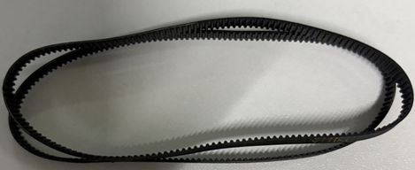 |  | 1set | 2600 |  |  | PIE-B1 | 1 | 0.6 | 0.00001 | 26*18*15 | 11*4*1 | SMT | NO
drive belt | M4传动皮带 | Shenzhen Daxing general Technology Co., LTD | M4 |  |  |  | 塑胶 |  |  | 2026.08.20 | China | NEW | 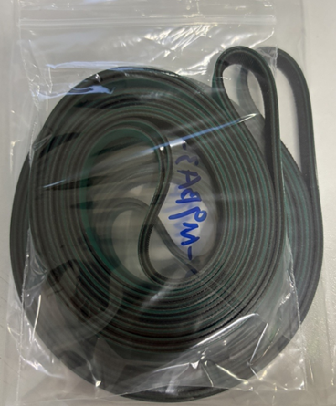 | 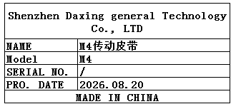 | 1set | 900 |  |  |  |  |  | 0.18 |  | 15*10*2 | SMT | NO
drive belt | M6传动皮带 | Shenzhen Daxing general Technology Co., LTD | M6 |  |  |  | 塑胶 |  |  | 2026.08.20 | China | NEW | 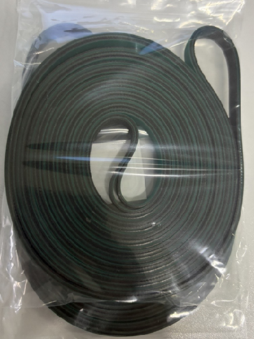 | 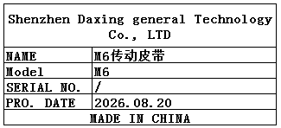 | 1set | 1050 |  |  |  |  |  | 0.16 |  | 15*10*2 | SMT | NO
Ultrasonic upper and lower molds | 超声波上下模 | SHENZHEN BRANSUN ULTRASONIC EQUIPMENT CO.,LTD | MONOPOLY UR | 710-19009 |  |  | 铝 |  |  | 2026-08-17 | CHINA | NEW | 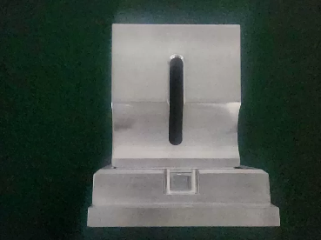 |  | 1 | 1600 |  |  | PIE-B2 | 1 | 6.5 | 3.5 | 41x32x18 | 10x8x17 | Production Assemble | NO
15K2600W transducer | 换能器 | SHENZHEN BRANSUN ULTRASONIC EQUIPMENT CO.,LTD | 15K2600W |  |  |  | 铝 |  |  | 2026.08.21 | China | NEW |  |  | 1 | 2500 |  |  | PIE-B3 | 1 | 6.9 | 5.7 | 42*26*30 | 15.5*7 | Production Assemble | NO

